Chart 1
 | TSSOS employment | TMOS employment | Texas job growth
 | 11.1 | 14.9 | 1.94
 | 11.8 | 19.8 | 2.54
 | 11.6 | 17.2 | 3.13
 | 14.5 | 17.8 | 3.22
 | 16.3 | 18.8 | 3.04
 | 15.9 | 23.0 | 2.92
2018 | 14.9 | 26.0 | 3.12
 | 12.8 | 27.6 | 3.09
 | 12.7 | 24.4 | 2.14
 | 13.2 | 22.5 | 2.15
 | 12.5 | 17.8 | 1.63
 | 11.3 | 15.6 | 2.08
 | 9.1 | 10.1 | 2.04
 | 9.3 | 9.5 | 2.57
 | 9.5 | 11.1 | 2.26
 | 10.8 | 10.8 | 2.54
 | 10.1 | 10.5 | 2.33
 | 8.6 | 9.2 | 2.44
2019 | 8.0 | 12.6 | 2.49
 | 8.8 | 10.3 | 2.48
 | 8.6 | 12.9 | 2.29
 | 8.9 | 11.0 | 1.42
 | 8.3 | 9.3 | 1.42
 | 8.3 | 5.0 | 1.24
 | 7.9 | 2.1 | 2.39
 | 7.5 | 1.9 | 1.95
 | -2.3 | -7.3 | -0.13
 | -17.0 | -15.3 | -26.05
 | -22.5 | -18.7 | -17.23
 | -15.4 | -11.0 | -6.68
2020 | -5.8 | -2.2 | 18.61
 | -2.5 | 5.4 | 12.16
 | -0.8 | 10.3 | 5.88
 | 1.7 | 12.1 | 8.21
 | 2.3 | 12.4 | 6.43
 | 3.3 | 14.2 | 5.91
 | 3.3 | 16.8 | 4.38
 | 3.5 | 17.1 | 2.19
 | 5.7 | 16.6 | 5.00
 | 10.6 | 21.6 | 5.72
 | 14.2 | 24.6 | 8.78
 | 13.6 | 26.3 | 6.00
2021 | 12.6 | 23.5 | 7.27
 | 14.0 | 23.3 | 6.08
 | 13.3 | 23.9 | 6.16
 | 13.8 | 25.4 | 6.98
 | 12.2 | 27.6 | 7.59
 | 12.8 | 29.2 | 7.77
 | 10.8 | 29.2 | 3.99
 | 11.4 | 26.0 | 5.91
...

d. Chart 1
Date | Label | TSSOS employment | TMOS employment | Texas job growth
2018-01-01 |  | 11.1 | 14.9 | 1.94
2018-02-01 |  | 11.8 | 19.8 | 2.54
2018-03-01 |  | 11.6 | 17.2 | 3.13
2018-04-01 |  | 14.5 | 17.8 | 3.22
2018-05-01 |  | 16.3 | 18.8 | 3.04
2018-06-01 |  | 15.9 | 23.0 | 2.92
2018-07-01 | 2018 | 14.9 | 26.0 | 3.12
2018-08-01 |  | 12.8 | 27.6 | 3.09
2018-09-01 |  | 12.7 | 24.4 | 2.14
2018-10-01 |  | 13.2 | 22.5 | 2.15
2018-11-01 |  | 12.5 | 17.8 | 1.63
2018-12-01 |  | 11.3 | 15.6 | 2.08
2019-01-01 |  | 9.1 | 10.1 | 2.04
2019-02-01 |  | 9.3 | 9.5 | 2.57
2019-03-01 |  | 9.5 | 11.1 | 2.26
2019-04-01 |  | 10.8 | 10.8 | 2.54
2019-05-01 |  | 10.1 | 10.5 | 2.33
2019-06-01 |  | 8.6 | 9.2 | 2.44
2019-07-01 | 2019 | 8.0 | 12.6 | 2.49
2019-08-01 |  | 8.8 | 10.3 | 2.48
2019-09-01 |  | 8.6 | 12.9 | 2.29
2019-10-01 |  | 8.9 | 11.0 | 1.42
2019-11-01 |  | 8.3 | 9.3 | 1.42
2019-12-01 |  | 8.3 | 5.0 | 1.24
2020-01-01 |  | 7.9 | 2.1 | 2.39
2020-02-01 |  | 7.5 | 1.9 | 1.95
2020-03-01 |  | -2.3 | -7.3 | -0.13
2020-04-01 |  | -17.0 | -15.3 | -26.05
2020-05-01 |  | -22.5 | -18.7 | -17.23
2020-06-01 |  | -15.4 | -11.0 | -6.68
2020-07-01 | 2020 | -5.8 | -2.2 | 18.61
2020-08-01 |  | -2.5 | 5.4 | 12.16
2020-09-01 |  | -0.8 | 10.3 | 5.88
2020-10-01 |  | 1.7 | 12.1 | 8.21
2020-11-01 |  | 2.3 | 12.4 | 6.43
2020-12-01 |  | 3.3 | 14.2 | 5.91
2021-01-01 |  | 3.3 | 16.8 | 4.38
2021-02-01 |  | 3.5 | 17.1 | 2.19
2021-03-01 |  | 5.7 | 16.6 | 5.00
2021-04-01 |  | 10.6 | 21.6 | 5.72
2021-05-01 |  | 14.2 | 24.6 | 8.78
2021-06-01 |  | 13.6 | 26.3 | 6.00
2021-07-01 | 2021 | 12.6 | 23.5 | 7.27
2021-08-01 |  | 14.0 | 23.3 | 6.08
2021-09-01 |  | 13.3 | 23.9 | 6.16
2021-10-01 |  | 13.8 | 25.4 | 6.98
2021-11-01 |  | 12.2 | 27.6 | 7.59
2021-12-01 |  | 12.8 | 29.2 | 7.77
2022-01-01 |  | 10.8 | 29.2 | 3.99
2022-02-01 |  | 11.4 | 26.0 | 5.91
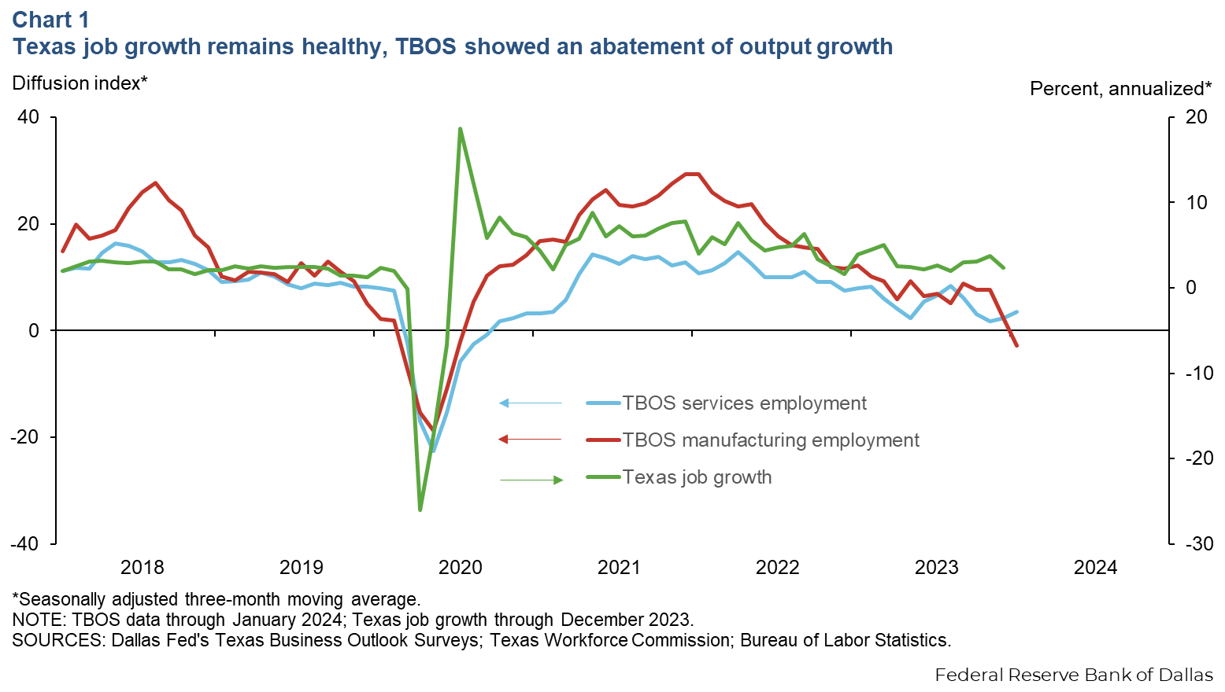
2022-03-01 |  | 12.7 | 24.2 | 5.14
2022-04-01 |  | 14.7 | 23.2 | 7.64
2022-05-01 |  | 12.5 | 23.7 | 5.53
2022-06-01 |  | 10.0 | 20.2 | 4.36
2022-07-01 | 2022 | 10.0 | 17.7 | 4.76
2022-08-01 |  | 10.0 | 16.0 | 4.92
2022-09-01 |  | 11.0 | 15.6 | 6.29
2022-10-01 |  | 9.1 | 15.3 | 3.38
2022-11-01 |  | 9.1 | 11.9 | 2.52
2022-12-01 |  | 7.5 | 11.6 | 1.57
2023-01-01 |  | 8.0 | 12.2 | 3.94
2023-02-01 |  | 8.2 | 10.2 | 4.50
2023-03-01 |  | 6.0 | 9.2 | 5.01
2023-04-01 |  | 4.0 | 5.8 | 2.55
2023-05-01 |  | 2.3 | 9.3 | 2.46
2023-06-01 |  | 5.4 | 6.4 | 2.20
2023-07-01 | 2023 | 6.7 | 6.9 | 2.63
2023-08-01 |  | 8.4 | 5.1 | 2.01
2023-09-01 |  | 6.1 | 8.8 | 2.99
2023-10-01 |  | 3.0 | 7.6 | 3.12
2023-11-01 |  | 1.8 | 7.6 | 3.74
2023-12-01 |  | 2.3 | 2.3 | 2.37
2024-01-01 |  | 3.5 | -2.9 | #N/A
2024-02-01 |  | #N/A | #N/A | #N/A
2024-03-01 |  | #N/A | #N/A | #N/A
2024-04-01 |  | #N/A | #N/A | #N/A
2024-05-01 |  | #N/A | #N/A | #N/A
2024-06-01 |  | #N/A | #N/A | #N/A
2024-07-01 | 2024 | #N/A | #N/A | #N/A
2024-08-01 |  | #N/A | #N/A | #N/A
2024-09-01 |  | #N/A | #N/A | #N/A
2024-10-01 |  | #N/A | #N/A | #N/A
2024-11-01 |  | #N/A | #N/A | #N/A
2024-12-01 |  | #N/A | #N/A | #N/A

Chart 2
 | Sept. '22 | Dec. '22 | March '23 | June '23 | Dec. '23
Weakening demand | 46 | 54 | 56 | 55 | 46
Higher labor costs | 40 | 43 | 32 | 39 | 38
Elevated input costs | 46 | 36 | 36 | 33 | 35
U.S. policy uncertainty/ elections |  |  |  |  | 31
Higher interest rates | 17 | 32 | 34 | 36 | 28
Labor shortages | 46 | 38 | 35 | 32 | 28
Geopolitical uncertainty | 8 | 11 | 11 | 9 | 21
Supply-chain disruptions | 31 | 22 | 16 | 12 | 10

Chart 3
 | Availability of applicants
Improved | 26
No change | 65.5
Worsened | 8.4

Chart4
 | 2018 | 2019 | 2020 | 2021 | 2022 | 2023 | 2024 (expected)
Wages | 4.5 | 3.9 | 2.1 | 7.0 | 7.6 | 5.6 | 4.3
Input prices (excluding wages) | 4.7 | 3.4 | 2.7 | 9.9 | 9.6 | 6.2 | 4.2
Selling prices | 3.1 | 2.4 | 1.1 | 6.9 | 7.4 | 3.9 | 3.5

